Proposal for FY20
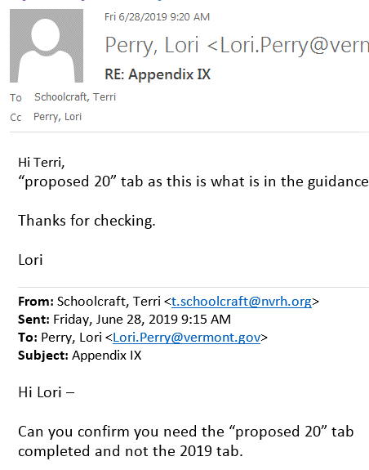
APPENDIX IX

SALARY INFORMATION
Northeastern Vermont Regional Hospital, Inc
Provide Headcount & Box 5 Wages from 2018 W2s
Salary Range | Total # of Staff | Total Salaries (includes incentives, bonuses, severance, CTO, etc.) | % of Total Staff in this Salary Range | % of Total Salaries in this Salary Range
$0 - $199,999 | 703.0 | $30,398,092 | 96.17% | 77.96%
$200,000 - $299,999 | 17.0 | $4,007,804 | 2.33% | 10.28%
$300,000 - $499,999 | 10.0 | $3,804,360 | 1.37% | 9.76%
$500,000 - $999,999 | 1.0 | $779,414 | 0.14% | 2.00%
$1,000,000 + | 0.0 | $- | 0 | 0
TOTALS | 731.0 | $38,989,669

