4. Inflation
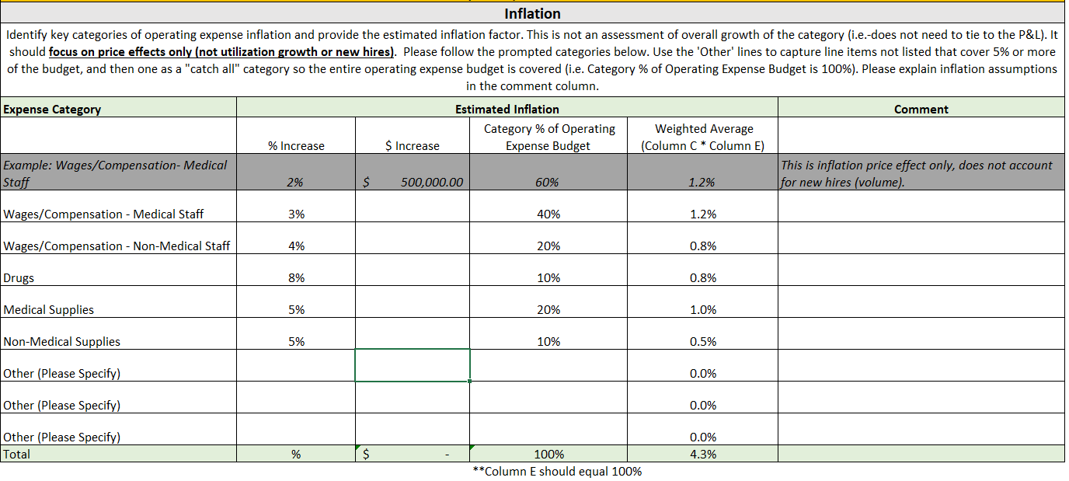
Appendix 4
Do not Modify, except for cells labeled "Other"
Inflation
Identify key categories of operating expense inflation and provide the estimated inflation factor. This is not an assessment of overall growth of the category (i.e.-does not need to tie to the P&L). It should focus on price effects only (not utilization growth or new hires). Please follow the prompted categories below. Use the 'Other' lines to capture line items not listed that cover 5% or more of the budget, and then one as a "catch all" category so the entire operating expense budget is covered (i.e. Category % of Operating Expense Budget is 100%). Please explain inflation assumptions in the comment column. TOTAL of D16 ($ Increase) will populate C33 of Table 2 on the Reconciliation tab with inflation expenses.
Expense Category | Estimated Inflation |  |  |  | Comment
 | % Increase | $ Increase | Category % of Total Operating Expense Budget | Weighted Average (Column C * Column E)
Example: Wages/Compensation- Medical Staff | 2% | $500,000.00 | 60% | 1.2% | This is inflation price effect only, does not account for new hires (volume).
Wages/Compensation - Medical Staff | 3% | $438,709.00 | 0.1% | 0.0%
Wages/Compensation - Non-Medical Staff | 9% | $8,262,487.00 | 2.5% | 0.2% | Min Wage, Differentials, Merit/Market increases
Energy Costs | 15% | $379,000.00 | 0.1% | 0.0%
Medical Supplies | 15% | $1,590,865.00 | 0.5% | 0.1%
Drugs | 13% | $2,250,283.00 | 0.7% | 0.1%
Contract Staffing | 33% | $2,607,000.00 | 0.8% | 0.3%
Self Insured Medical | 11% | $4,592,000.00 | 1.4% | 0.2%
Food | 5% | $61,000.00 | 0.0% | 0.0%
Other Operating Expense (not inflation) |  | $305,881,128.00 | 94% | 0.0%
Total | % | $326,062,472.00 | 100% | 0.8%
NOTE: Unless the tax rate has changed, DO NOT INCLUDE Provider Tax. |  |  | **Column E should equal 100%

Not intended for systemwide look or comparative analysis

EXAMPLE:

