Data Submission Schedule
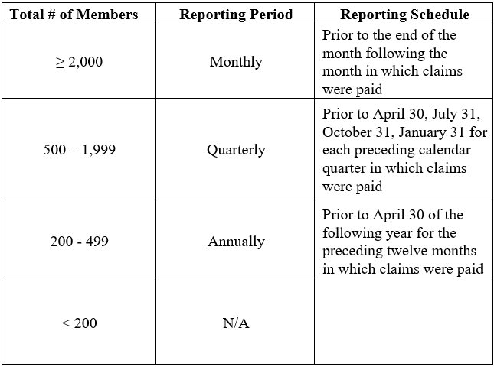
 | Data Submission Schedule
 | Return to the Table of Contents

The reporting period for submission of each specified file listed in this Manual shall be determined on a separate basis for Vermont members and non-resident members by the highest total number of Vermont resident members or non-resident members receiving covered services provided by Vermont providers or facilities for which claims are being paid for any one month of the calendar year. Data files are to be submitted in accordance with the following schedule:

